Case #1
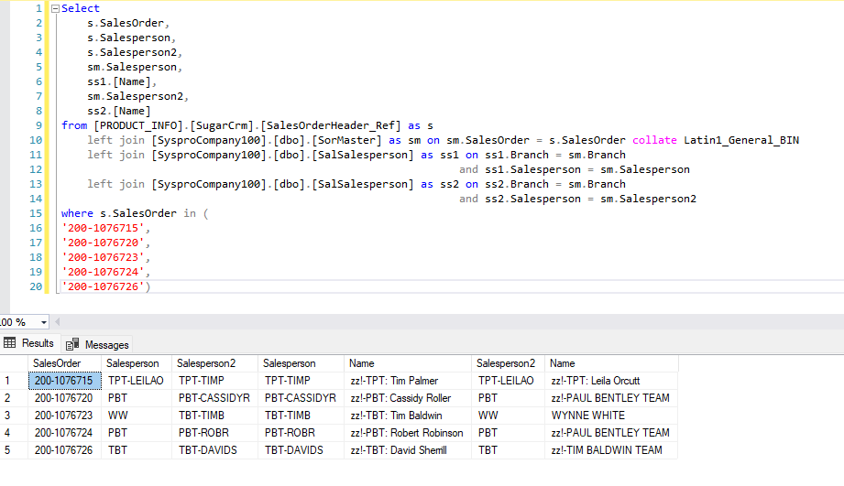
Justin Pope Dev Test
Test Case No. |  | 1
Process |  | Validate Data for Sugar CRM
Test Consideration |  | Running Talend ETL job
Test Condition |  |  | Data Used | How To Verify | Actual Results
Tasks
1 |  | Run the SugarCRM ETL and validate data | dev data | query database, check SugarCRM | Data Below
Configuration/Data Setup for Testing Scenario
1 |  | Running from Visual Studio
2 |  | Added the Staged record manually

Verification
 |  | Sales Order | Sugar Order
 |  | 200-1076715 | link
 |  | 200-1076720 | link
 |  | 200-1076723 | link
 |  | 200-1076724 | link
 |  | 200-1076726 | link
Test Cast Screens Shots Before and After

 | The followign query is to show that the data being sent over is switching the salesperson and slaesperson2 within syspro. SalesOrderheader_Ref table is the reference table of data that is sent to sugar. SysproCompany100 is the database that syspro is using.

